Mini DIN5 to DIN5 wiring
Front side on plug (male) |  |  |  | Solder side on plug (male)
MD 5-PIN |  |  |  | DIN 5-PIN


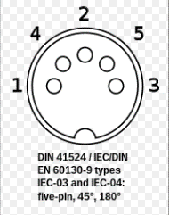

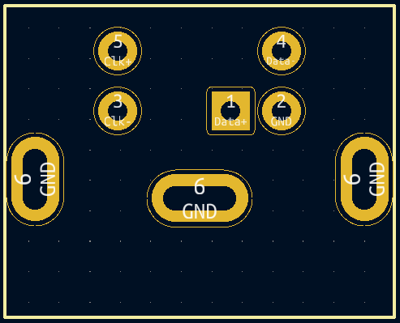
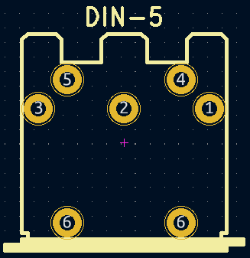

 |  |  | Front of socket |  |  |  | Front of socket

1 | Data+ | Yellow |  | Yellow | Data+ | 1
2 | Gnd | Orange |  | Orange | Gnd | 2
3 | Clk- | Black |  | Black | Clk- | 3
4 | Data- | Brown |  | Brown | Data- | 4
5 | Clk+ | Red |  | Red | Clk+ | 5
6 | Scr | Scr |  | Scr | Scr | 6

Scr
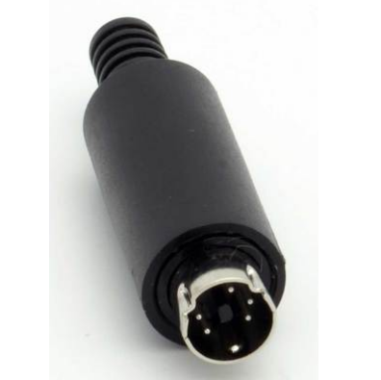
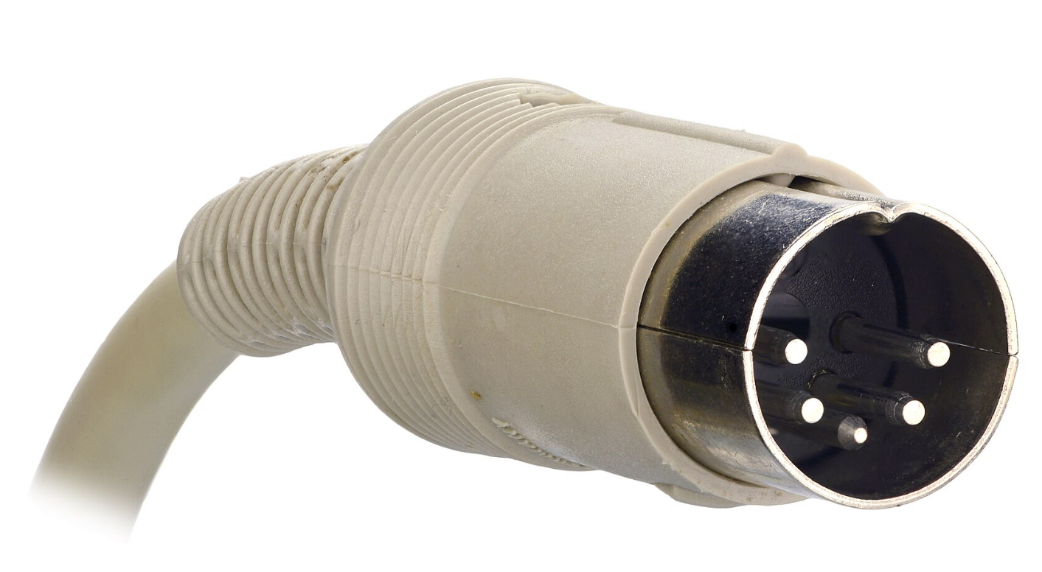

3

5

1
1
4
2

2

3
4

5
Scr

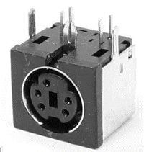
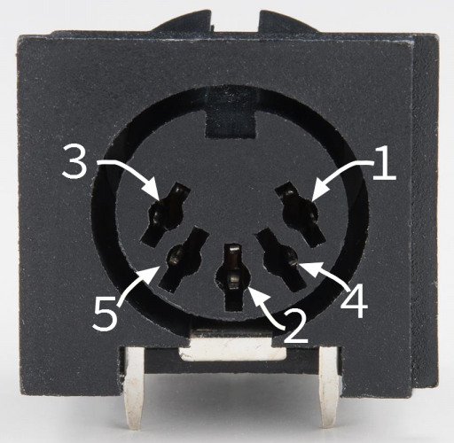
4
5
2
3

1

Scr
Scr

